default_1
Column | Min | Max | Mean | Std. deviation | Variance | Skewness | Kurtosis | Overall sum | No. missings | No. NaNs | No. +∞s | No. -∞s | Median | Row count | Histogram
CLUSTER_LABEL | 0 | 4 | 2.0584415584 | 1.5110322334 | 2.2832184103 | 0.014297591006 | -1.4467391301 | 634 | 0 | 0 | 0 | 0 | 2 | 308 | 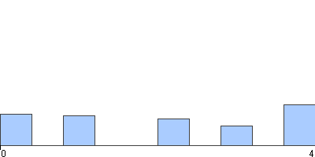
ALSFRS-R | 20 | 48 | 39.603896104 | 5.2276125195 | 27.327932654 | -1.4220974813 | 2.3741442557 | 12198 | 0 | 0 | 0 | 0 | 41 | 308 | 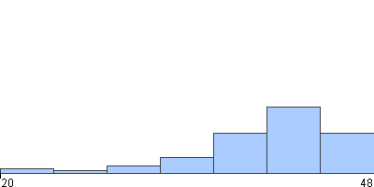
COUPER_LA_NOURRITURE | 0 | 4 | 3.1481481481 | 1.0125587762 | 1.0252752753 | -1.2641435955 | 1.0838420101 | 935 | 11 | 0 | 0 | 0 | 3 | 308 | 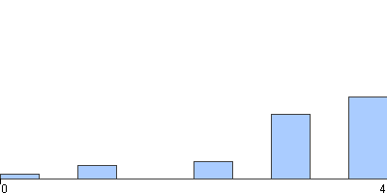
ECRITURE | 0 | 4 | 3.1986531987 | 1.0611051437 | 1.1259441259 | -1.4289841638 | 1.3870123073 | 950 | 11 | 0 | 0 | 0 | 4 | 308 | 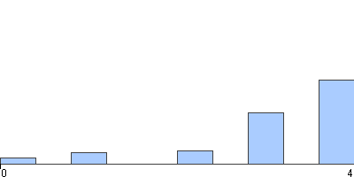
HABILLAGE_HYGIENE | 0 | 4 | 2.9191919192 | 0.97270277894 | 0.94615069615 | -1.1676705814 | 1.5017372336 | 867 | 11 | 0 | 0 | 0 | 3 | 308 | 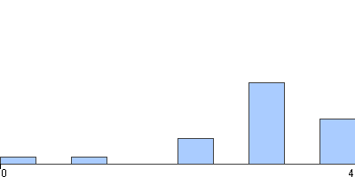
LDH | 134 | 899 | 295.95673077 | 117.06492295 | 13704.196186 | 1.1021567011 | 2.5239091997 | 61559 | 100 | 0 | 0 | 0 | 277.5 | 308 | 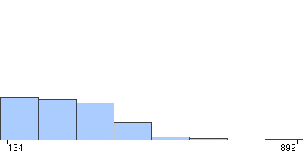
LIT_TOURNER_AJUSTER_DRAPS | 0 | 4 | 3.2558922559 | 0.91265907268 | 0.83294658295 | -1.0122867045 | 0.26605623828 | 967 | 11 | 0 | 0 | 0 | 4 | 308 | 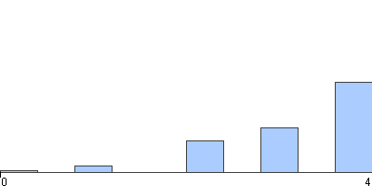
MARCHE | 0 | 4 | 3.0538720539 | 0.81194221423 | 0.65925015925 | -0.32777928885 | -0.65314969794 | 907 | 11 | 0 | 0 | 0 | 3 | 308 | 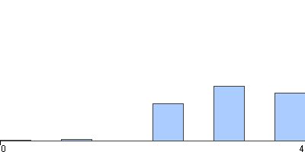
MONTE_LES_ESCALIER | 0 | 4 | 2.3973063973 | 1.425062641 | 2.0308035308 | -0.15409134733 | -1.5630376832 | 712 | 11 | 0 | 0 | 0 | 3 | 308 | 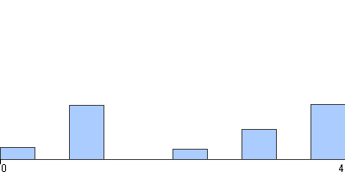
TEMPS_DIAGNOSTIC | 0 | 3501 | 380.17537313 | 346.13032962 | 119806.20508 | 3.9710181409 | 26.572770987 | 101887 | 40 | 0 | 0 | 0 | 274 | 308 | 